Trip Distribution
ZONE PRODUCTIONS |  | ZONE ATTRACTIONS (UNBALANCED) |  | AM PEAK PERIOD
 | Work trips |  | Work trips |  | 1 | 2 | 3 | 4 |  | Starting | ZONE DISTANCES
1 | 28,687 | 1 | 10,510 | 1 | 6,027.06 | 2,773.32 | 8,127.52 | 11,759.18 | 28,687 | 28,687 |  | 1 | 2 | 3 | 4
2 | 49,663 | 2 | 14,508 | 2 | 2,866.72 | 11,871.94 | 6,958.41 | 27,965.76 | 49,663 | 49,663 | 1 | 5 | 15 | 15 | 25
3 | 99,055 | 3 | 42,518 | 3 | 4,175.99 | 3,458.80 | 50,682.03 | 40,738.07 | 99,055 | 99,055 | 2 | 15 | 5 | 25 | 15
4 | 13,765 | 4 | 102,528 | 4 | 234.02 | 538.42 | 1,577.90 | 11,414.80 | 13,765 | 13,765 | 3 | 15 | 25 | 5 | 15
Total | 191,170 | Total | 170,065 |  | 13,304 | 18,642 | 67,346 | 91,878 |  |  | 4 | 25 | 15 | 15 | 5
 |  | scaling factor | 1.124 | Ending | 11,814 | 16,309 | 47,795 | 115,252

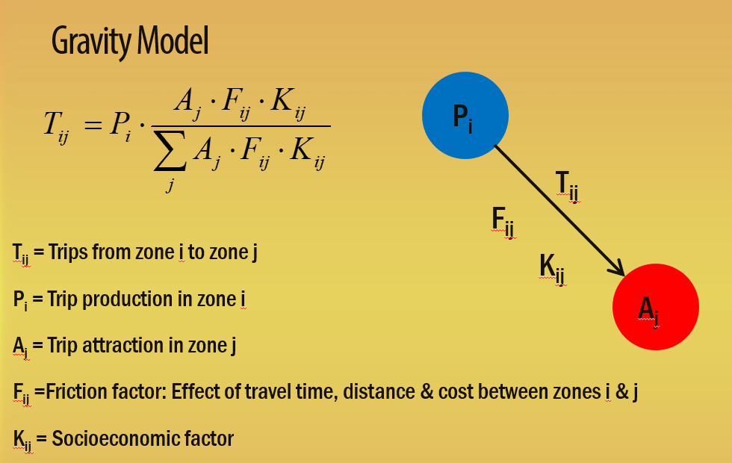
ZONE ATTRACTIONS (BALANCED) |  |  |  | Ratio | 0.89 | 0.87 | 0.71 | 1.25
 | Work trips |  |  | Adjust | 1.00 | 1.00 | 1.00 | 1.00
1 | 11,814 |  |  | New Adjust | 0.89 | 0.87 | 0.71 | 1.25
2 | 16,309 |  |  | TDF | 1 | 2 | 3 | 4
3 | 47,795 |  |  | 1 | 2363 | 1087 | 3186 | 4610
4 | 115,252 |  |  | 2 | 788 | 3262 | 1912 | 7683
Total | 191,170 |  |  | 3 | 788 | 652 | 9559 | 7683
 |  |  |  | 4 | 473 | 1087 | 3186 | 23050
 |  |  |  |  | 1 | 2 | 3 | 4
 |  |  |  | 1 | 0.20 | 0.07 | 0.07 | 0.04
 |  |  |  | 2 | 0.07 | 0.20 | 0.04 | 0.07
 |  |  |  | 3 | 0.07 | 0.04 | 0.20 | 0.07
 |  |  |  | 4 | 0.04 | 0.07 | 0.07 | 0.20

 |  |  |  |  | 0.20 | 0.07 | 0.07 | 0.04
 |  |  |  |  | 0.07 | 0.20 | 0.04 | 0.07
 |  |  |  |  | 0.07 | 0.04 | 0.20 | 0.07
 |  |  |  |  | 0.04 | 0.07 | 0.07 | 0.20

