Example 2
 |  |  |  |  | Consider 400 travelers desire to travel from zone 2 to zone 3; and 300 are from zone 1 to 3. Calculate flow on each link from UE and SO.
System Optimum (SO)
 | flow | t | Z | TSTT
x12 | 0 | 3 | 6010.8324975 | 6010.8324975
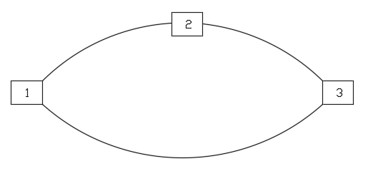
x23 | 400 | 6
x13 | 300 | 12.036108325
 | 3.2311742678E-27

User Optimum (UE)
 | flow | t | Z | TSTT
x12 | 132.7305675 | 3.0403548018 | 7197.9164251 | 7197.9164251
x23 | 532.7305675 | 8.9797025329
x13 | 167.27026948 | 12.020106064
 | 7.0054002351E-07 | 2.3745187922E-09

Example 3
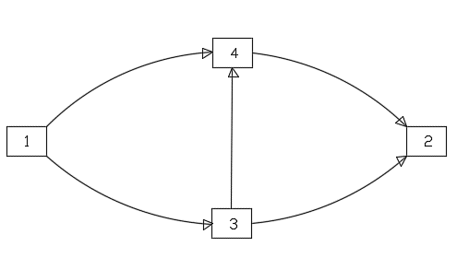
Link | Link Free Flow Time | Link Capacity | Link Volume | Link Congested Time | Link Cost
L13 | 5 | 20 | 31.161435853 | 17.137938555
L14 | 20 | 200 | 18.838564147 | 20.17744575
L34 | 3 | 50 | 5.7378280244 | 3.0395072045
L42 | 4 | 20 | 24.576392171 | 10.039990522
L32 | 5 | 20 | 25.423607829 | 13.079497938

 | Paths | PathTime | PathVolume | PathCost | Z | TSTT
 | L14, L42 | 30.217436271 | 18.838564147 | 569.25311155 | 10723.911258 | 1510.8718193
 | L13,L34,L42 | 30.217436281 | 5.7378280244 | 173.38245272
 | L13,L32 | 30.217436493 | 25.423607829 | 768.23625499
 |  | 57391.450187 | 50 | 1510.8718193

