Sheet1
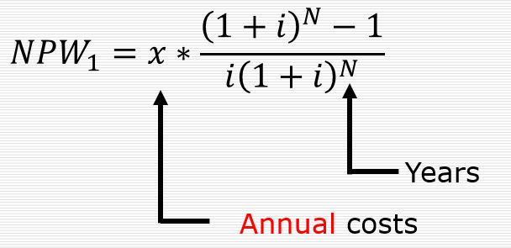
Alternative | Initial Construction Costs ($) | Annual Operating Costs ($) | Useful Life (Years) | Salvage Value ($) | P/A, I,n | P/F,I,n | NPW
I | 10,000 | 900 | 10 | 2,500 | 6.1445671057 | 963.85822357 | -14566
II | 12,000 | 1,500 | 6 | 5,000 | 4.3552606995 | 2822.3696503 | -15711

